Attendees (Early Wks))
 | Attendees List
Project | Port Kembla Pipeline Project
Contract # | 4600009903
Activity: | Mobilisation & Early Works

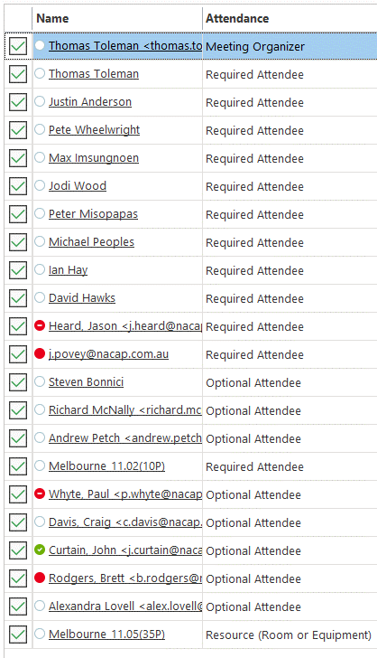
Date | Name | Position | Company | Location | Phone | Email | Signature
 | refer Teams meeting attendance list opposite

2022-03-22
2022-03-22
2022-03-22
2022-03-22
2022-03-22
2022-03-22
2022-03-22
2022-03-22
2022-03-22
2022-03-22
2022-03-22
2022-03-22
2022-03-22
2022-03-22
2022-03-22
2022-03-22
2022-03-22
2022-03-22
2022-03-22
2022-03-22
2022-03-22
2022-03-22
2022-03-22
2022-03-22

0.0 General
0.0 General
IDENTIFY THE TASK or PROCEDURE, DESCRIBE THE HAZARDS AND RISKS, LIST THE CONSEQUENCES AND WHAT ARE THE EXISTING CONTROLS. |  |  |  |  |  |  | EXISTING RISK |  |  | Recommendations | Responsibility | RISIDUAL RISK |  |  | STATUS | DATE Closed/Sign Off
ID | TASK or PROCEDURE What are the Job Steps | HAZARDS and RISKS What are they | CONSEQUENCES Resulting in | EXISTING CONTROLS | Consultation Method | 3rd Party Liaison? | Consequence | Likelihood | Level Of Risk |  |  | Consequence | Likelihood | Level Of Risk
0.1 | Presenting fit for work. | 1. All personnel - under the influence of alcohol and/or drugs causes incident resulting in injury to personnel. | Lost Time Injury, Damage to Asset, Damage to Pipe , Exposure, Injury | 1. Adopting a zero drugs and alcohol policy for work related driving. Drug and alcohol screening prior to employment, random and suspect testing during Project. Fit for work screening. Peer Assessment. Daily BrAC testing of all personnel. | Safe Driving Procedure, Driver Induction, Driver Approval, EBA, Employee Assistance Program, Induction, Prestart, Toolboxes, JSA, Lift Plans, PTW, VOC, TMP | Y | A | 5 | M |  |  |  |  |  |  |  | 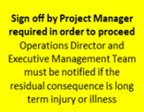
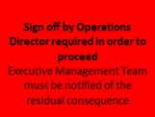
 |  | 2. Fatigue, Personal Illness, prescription medication. | Fatality, Lost Time Injury, Damage to Asset, Damage to Pipe , Fatigue, Injury | 2. Taking into account the influence of medications before driving. Monitoring through Nacap's Fatigue Assessment form. EBA. Medical Clearance. Site Induction and clear expectations around prescribed medicines. |  |  | A | 5 | M
 |  | 3. Noncompliance with driving rules. | First Aid Injury, Damage to Property/Equipment, Impact on Third Party Relationship, Lack of Attention - Error, Vehicle Incident | 3. Driver education training and induction. Discipline procedure will be implemented. Approved driver, driver declaration Community interface and awareness |  |  | E | 3 | L
 |  | 4. Personal issues/problems. | First Aid Injury, Damage to Property/Equipment, Impact on Third Party Relationship, Lack of Attention - Error, Vehicle Incident | 4. Use of Employee Assistance Program. Open communication / peer support within work crew members Awareness through toolbox talks, pre starts |  |  | E | 3 | L
0.2 | Checking vehicle prior to use daily. | 1. Mechanical failure causes accident owing to checks not completed. | Permanent Disability, Damage to Property/Equipment, Vehicle Incident | 1. Daily checks (weekly recorded) of vehicles i.e. fuel, water, oils, brakes and lights by driver. Scheduled service and maintenance by vehicle provider. DO NOT USE vehicles with safety related faults present (i.e. brakes, steering, etc.). Safety Walks. Daily 360 walk-around. Fit for purpose vehicles and nominated drivers for project. | Weekly Inspection, Certification, LOTO Procedure, Induction, Prestart, Toolboxes, JSA, Lift Plans, PTW, VOC, TMP |  | D | 4 | L
 |  | 2. Personal injury during pre-start checks including entanglement – belts and fan, crush injuries, safety related fault and hot fluids/burns i.e. water/oil. | First Aid Injury, Burns to skin, Crush Injury, Eye Injury, Lack of Attention - Error, Spill | 2. Motor fluid checks completed while engine is switched off and cooled down. Handbrake applied whilst conducting checks. Refill radiator using the water reservoir. |  |  | E | 3 | L
 |  | 3. Mechanically unsuitable. | Medical Treatment Injury, Vehicle Incident | 3. Tag out vehicle and replace with suitable alternative vehicle. |  |  | D | 4 | L
0.3 | Prestart checks of equipment | 1. Slips, trips, fall when checking oils, fluids and greasing. Slippery surfaces ( dust, wet) | Medical Treatment Injury | 1. Clean surfaces of excessive dust / dirt: - 3 points of contact when climbing access steps. - Clean steps and platforms. | JSA, Prestart Checklists, VOC, PHA, Prestarts, Toolboxes | Y | D | 4 | L
 |  | 2. Exposure to Dangerous Goods / Hazardous Substances | First Aid Injury, Allergic Reaction, Burns to skin, Respiratory Issues | 2. Review SDS , handle, store Dangerous Goods / Hazardous substances and wear PPE in accordance with SDS. |  |  | E | 4 | L
 |  | 3. Environmental Hazard as a result of leaks (including Oil and Fuel) | Environmental Impact, Spill | 3. Contain leaks with spill kit advise Construction Superintendent of all spills. Spill kits to be readily available. |  |  | E | 3 | L
 |  | 4. Injury due to poor ground conditions – uneven ground. Leg injuries | First Aid Injury | 4. Check for any obstacles or potholes when walking around machine. Park plant in area that enables inspection without obstacles in way, where practicable |  |  | E | 4 | L
 |  | 5. Damaged/dangerous equipment causing injury to personnel from guards / handrails / E-stop / lights, Electrocution from generators, etc. | Lost Time Injury, Medical Treatment Injury | 5. Prestart log book to be completed daily, PHA to be read by operator and signed. Competent operator to conduct checks. LOTO and report unsuitable equipment. Electrical Test and Tag, RCD operational. |  |  | D | 4 | L
 |  | 6. Other vehicles driving through work area – no call up | Damage to Property/Equipment, Impact on Third Party Relationship, Vehicle Incident | 6. Operator ID Magnets placed on each machine with UHF Channel displayed. |  |  | E | 3 | L
 |  | 7. Inadequate firefighting equipment | Damage to Property/Equipment, Environmental Impact, Fire, Impact on Third Party Relationship | 7. Ensue firefighting equipment is adequate i.e. 9kg extinguishers. |  |  | E | 3 | L
 |  | 8. Untrained / inexperienced operators. | First Aid Injury, Lack of Attention - Error, Production Delays | 8. Only qualified , VOC’d and supervisor approved operators to inspect and operate any machines. |  |  | E | 4 | L
0.4 | Working in Hot Conditions | 1. Heat related illness. | Fatality, Lost Time Injury, First Aid Injury, Exposure, Heat Stress/Stroke, Injury | 1. Heat Cramps, Exhaustion & Stroke - all personnel trained of the dangers, symptoms, and treatment of heat illness (project induction, tool box talks and pre-start meetings). All vehicles to carry sufficient quantities of potable water per person.All personnel to carry water when working remote from potable water source. Hard hats brim extension is supplied. Majority of vehicles are fitted with air conditioning. Monitor ambient temperatures via BOM website and convey to work personnel of expected and anticipated temperatures for that particular day. Shade provisions as practicable Site-specific risk assessment of potential heat stress hazards Heat Stress Induction Where a high or extreme heat stress risk is identified, some of the exposure controls as follows: - acclimatisation periods - cool rest areas - relocation of tasks to a cooler area or reschedule work to cooler times of the day or night shift where practicable - provision of cooling vest / collars Risk management for extreme heat risk activities will include personal hydration testing (urine specific gravity) and the implementation of suitable work / rest regimes based on measurements taken by a competent person | Induction, Prestart, Toolboxes, JSA, PTW, TMP | Y | B | 5 | M
0.5 | Working in Cold / Wet Conditions | 1. Cold related illness. | Fatality, First Aid Injury, Exposure, Health Effects | 1. Weather specific PPE provided to work personnel; management of change; review weather forecast from BOM website; Toolbox meetings; daily JSA review |  |  | B | 5 | M
0.6 | Working in Windy Conditions | 1. Equipment stability, damage, airborne particles | First Aid Injury, Community Complaints, Damage to Pipe , Damage to Property/Equipment, Damage to Reputation, Eye Injury, Health Effects, Object Across Road, Dust | 1. PPE - eye protection Dust suppression on open excavations, soil stockpiles, housekeeping Equipment operating envelopes Weather forecasting and work planning |  |  | D | 4 | L
0.7 | Working Near / With Electricity and Electrical Equipment | 1. Contact with overhead electrical conductors or services. | Community Complaints, Damage to Asset, Damage to Property/Equipment, Damage to Reputation, Eye Injury, Impact on Third Party Relationship, Production Delays, Project Stopped | 1. Power lines identified with catenaries, warning signs and hazard tape. Catenaries shall be set at a height that ensures minimum clearances to conductors are maintained. Site supervision, right personnel and qualifications including first aid certificate. Asset owner approval / representative onsite liaison Qualified Safety Observers are required when: a) there are works in the vicinity of overhead power lines. b) there is a risk of contact or break of the specified minimum separation to the conductor. c) where required, personnel shall comply with permit to work requirements of asset owners. d) whenever the work activity is likely to be performed in the Accredited Person Zone e) whenever a crane, mobile plant or load is in motion and is likely to come closer than the approach distances f) carrying out ‘tree and vegetation management’ near live overhead power lines Safety Observer: means an accredited person specifically assigned the duty of observing and warning against unsafe approach to overhead power lines and associated electrical apparatus, or other unsafe conditions. Must have received training for work near overhead power lines conducted by a Registered Training Organisation. Must have successfully completed an appropriate training course (eg Crane and Plant Electrical Safety Course) | Induction, Prestart, Toolboxes, JSA, Lift Plans, PTW, VOC, TMP, Working with Electricity Procedure | Y | A | 5 | M
 |  | 2. Electric shock due to faulty equipment or installation. | Damage to Property/Equipment, Disability, Fatigue, Injury, Loss of Production | 2. Personnel to be made aware of hazards and safety measures at project induction and pre-start meetings. Electrical equipment to be installed and stripped out by qualified electricians. Electrical system to be fitted with earth leakage circuit breakers (ELCB). Equipment and appliances to be checked and tagged for use as per Australian Standards by an electrician. Equipment found to be defective to be tagged ‘Out of Service’. |  |  | A | 5 | M
0.8 | Activities Where There Is Risks Of Falls | 1. Personnel Trips – Slips. | Fatality, Lost Time Injury, Medical Treatment Injury, First Aid Injury, Disability, Eye Injury, Fatigue, Loss of Production | 1. Personnel to be made aware of trip and slip hazards in induction process. Personnel encouraged to be observant in their construction activities. Lighting to be adequate for work. Rubber soled ¾ laced up steel capped safety boots to be worn by all personnel when on site. Lay out of work area to be designed to minimise creation of trip hazards. Existing trip hazards to be identified where possible and removed or highlighted. Correct ingress and egress of vehicles - maintain 3 points of contact at all times | Induction, Prestart, Toolboxes, JSA, Lift Plans, PTW, TMP |  | E | 3 | L
 |  | 2. Personnel fall into watercourse/river. | Fatality, Lost Time Injury, Medical Treatment Injury, First Aid Injury, Exposure, Health Effects | 2. Personnel to be instructed on dangers and safe work methods for working near water. Personnel working immediately adjacent to flowing watercourses to wear life vest or harness. Personnel working near water course(s) to have a spotter on standby. If required a specific JSA for working near / in watercourses shall be produced for personnel. Working platform adequate and suitable for tasks |  |  | B | 5 | M
...

Delegation of Authority
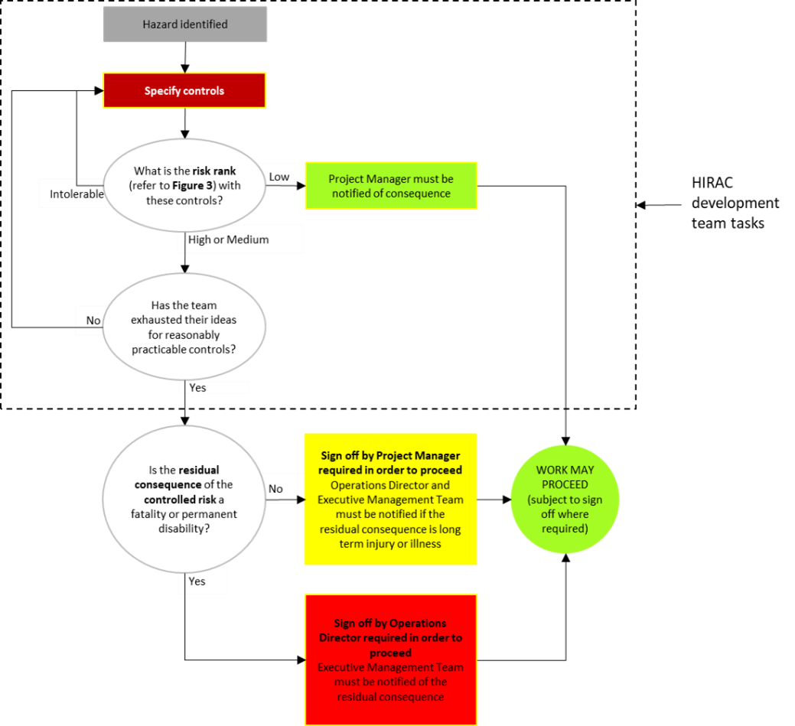

Approval authority and notification requirements are actions that must be closed

The HIRAC team must seek out and obtain the approval from the delegated authority and maintain a record of the approval
Likewise, a delegated approval authority is responsible for ensuring the relevant higher authority is notified of the high consequence risks

